HERA
PRODUCT CODE | PRODUCT DESCRIPTION | PRODUCT COLOUR | PRINT COLOUR | SKU | QUANTITY | IMAGE | Retail Price | Retail Value
HERA322 | PUFFER | BLACK | WHITE | BLK-PUFF-XS | 400 | 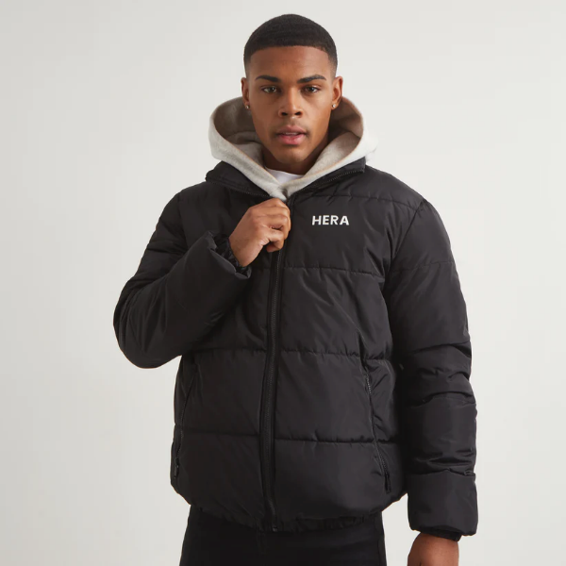 | £80.00 | £32,000.00
HERA322 | PUFFER | BLACK | WHITE | BLK-PUFF-S | 800 |  | £80.00 | £64,000.00
HERA322 | PUFFER | BLACK | WHITE | BLK-PUFF-M | 1,400 |  | £80.00 | £112,000.00
HERA322 | PUFFER | BLACK | WHITE | BLK-PUFF-L | 999 |  | £80.00 | £79,920.00
HERA322 | PUFFER | GREY | WHITE | BLK-PUFF-XL | 400 |  | £80.00 | £32,000.00
HERA322 | PUFFER | GREY | WHITE | GRY-PUFF-XS | 200 | 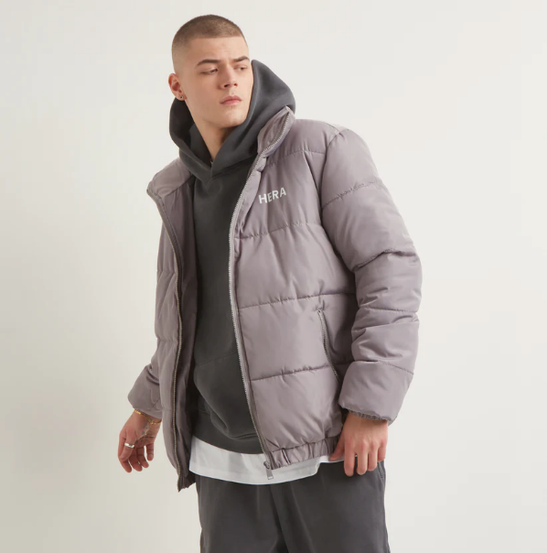 | £80.00 | £16,000.00
HERA322 | PUFFER | GREY | WHITE | GRY-PUFF-S | 364 |  | £80.00 | £29,120.00
HERA322 | PUFFER | GREY | WHITE | GRY-PUFF-M | 546 |  | £80.00 | £43,680.00
HERA322 | PUFFER | GREY | WHITE | GRY-PUFF-L | 500 |  | £80.00 | £40,000.00
HERA322 | PUFFER | GREY | WHITE | GRY-PUFF-XL | 300 |  | £80.00 | £24,000.00

